USE_CASE
6.6.1.9. Nhập vé bán
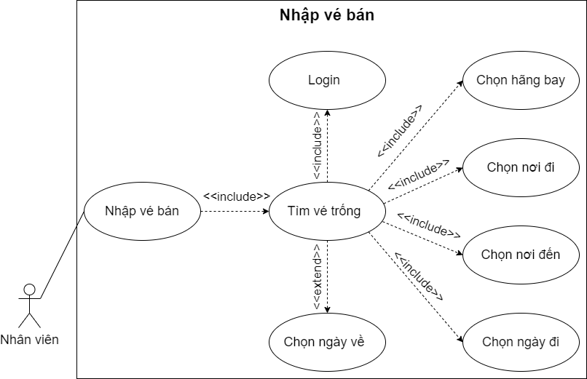

6.6.1.10. Xóa vé

6.6.1.11. Sửa vé

6.6.1.12. In vé

CLASS_DIAGRAM
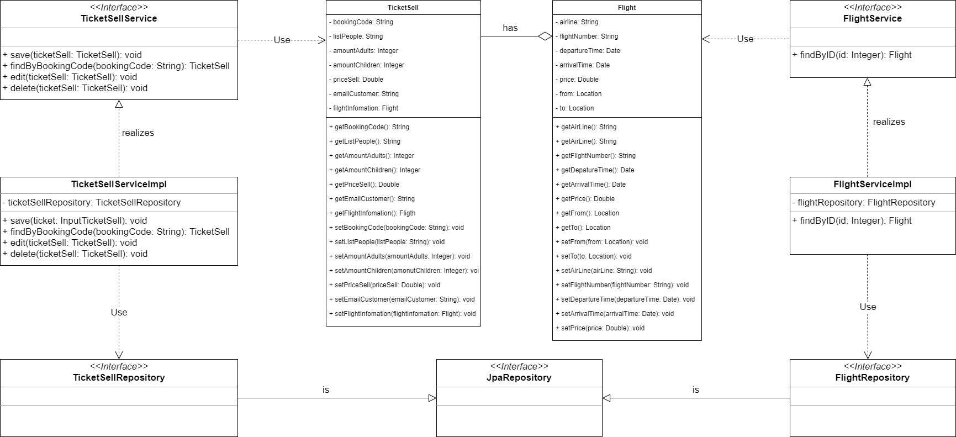
6.6.1.9. Nhập vé bán
6.6.1.10. Xóa vé
6.6.1.11. Sửa vé
6.6.1.12. In vé

